Info for Inspiration
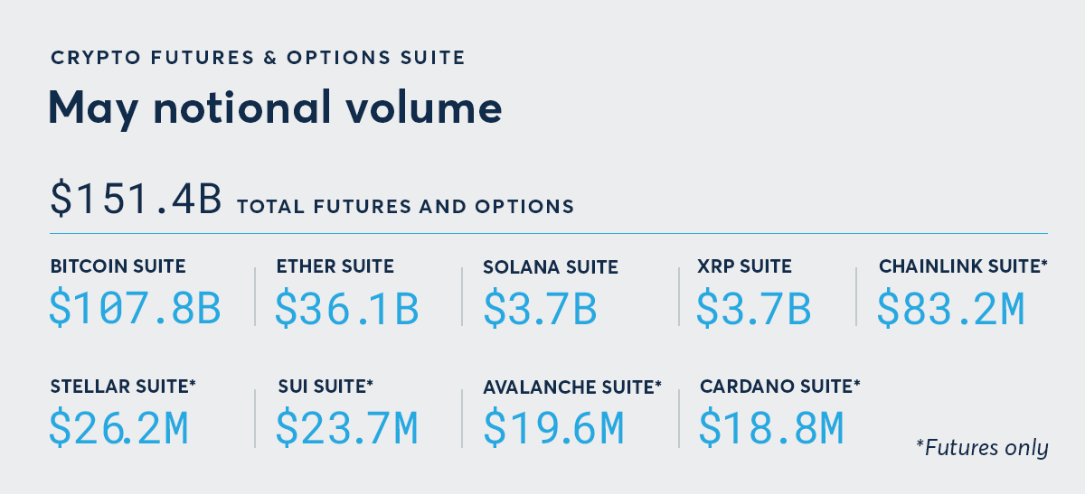
Good sources of information |  |  |  | What is BAKKT these days? | What does this mean?
 | https://www.theblock.co/data/crypto-markets/spot |  |  |  | Support
 | https://bitcointreasuries.net |  |  |  | USD | Non-USD
 |  |  |  |  | Coinbase | Binance
 |  |  |  |  | Kraken | ByBit
 |  |  |  |  | Bitstamp | OKX
 |  |  |  |  | LMAX Digital | Bitget
 |  |  |  |  | Bitfinex | Huobi
The CBTX Index is the Cboe Bitcoin U.S. ETF Index. |  |  |  |  | 12 others | 17 others
 | It is designed to track the price-return performance of U.S.-listed spot Bitcoin ETFs. In other words, it is an index of the spot BTC ETF complex rather than Bitcoin itself or CME BTC futures. Cboe uses it as the underlying for Cboe Bitcoin U.S. ETF Index options.
 | Important distinction:
 |  | Symbol | What it is | Tracks
 |  | CBTX | Cboe Bitcoin U.S. ETF Index | Basket of U.S. spot Bitcoin ETFs
 |  | BRTI | CME CF Bitcoin Real Time Index | Real-time BTC/USD spot benchmark
 |  | BRR | CME CF Bitcoin Reference Rate | Daily BTC/USD reference rate used by CME BTC futures
 | So if you see CBTX options, they are effectively index options on spot Bitcoin ETFs, not options on a single ETF like IBIT, and not options on CME futures. The index should behave like a diversified spot BTC ETF proxy, with ETF fees and ETF market structure embedded indirectly.
 | Weights as of March 30:
 |  | symbol | etf_name | % of CBTX
 |  | IBIT | iShares Bitcoin Trust ETF | 20.00%
 |  | ARKB | ARK 21Shares Bitcoin ETF | 10.00%
 |  | BITB | Bitwise Bitcoin ETF Trust | 10.00%
 |  | FBTC | Fidelity Wise Origin Bitcoin Fund | 10.00%
 |  | GBTC | Grayscale Bitcoin Trust | 10.00%
 |  | HODL | VanEck Bitcoin Trust | 10.00%
 |  | BRRR | Coinshare Valkyrie Bitcoin Fund | 9.81%
 |  | BTCO | Invesco Galaxy Bitcoin ETF | 8.72%
 |  | EZBC | Franklin Bitcoin ETF | 7.38%
 |  | BTCW | WisdomTree Bitcoin Fund | 4.09%
 |  |  |  | 100.00%

Levered ETFs on crypto prices / crypto-linked indexes
 | These are the cleanest “crypto exposure” products.
 |  | Ticker | Fund | Target
 |  | BITX | Volatility Shares 2x Bitcoin Strategy ETF | +2x BTC daily
 |  | BITU | ProShares Ultra Bitcoin ETF | +2x Bloomberg Bitcoin Index daily
 |  | BTCL | T-REX 2X Long Bitcoin Daily Target ETF | +2x spot Bitcoin daily
 |  | BITI | ProShares Short Bitcoin ETF | −1x Bitcoin daily
 |  | SBIT | ProShares UltraShort Bitcoin ETF | −2x Bitcoin daily
 |  | BTCZ | T-REX 2X Inverse Bitcoin Daily Target ETF | −2x spot Bitcoin daily
 |  | ETHU | Volatility Shares 2x Ether ETF | +2x ETH daily
 |  | ETHT | ProShares Ultra Ether ETF | +2x Bloomberg Ethereum Index daily
 |  | SETH | ProShares Short Ether ETF | −1x Ether daily
 |  | ETHD | ProShares UltraShort Ether ETF | −2x Ether daily
 |  | SOLT | Volatility Shares 2x Solana ETF | +2x SOL daily
 |  | XRPT | Volatility Shares 2x XRP ETF | +2x XRP daily
 |  | AVAZ | Volatility Shares 2x Avalanche ETF | +2x AVAX daily
 |  | SUIL | Volatility Shares 2x Sui ETF | +2x SUI daily
 |  | CHNU | Volatility Shares 2x Chainlink ETF | +2x LINK daily
 |  | CRDX | Volatility Shares 2x Cardano ETF | +2x ADA daily
 |  | STLU | Volatility Shares 2x Stellar ETF | +2x XLM daily

Cryptos trading at CME

